Graphs
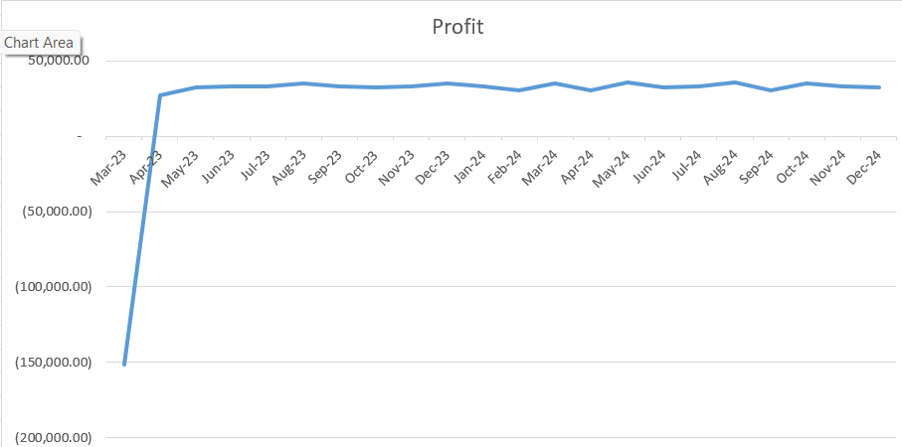
1. Coffee sales
 | Date | 3-Apr-23 | 4-Apr-23 | 5-Apr-23 | 6-Apr-23 | 7-Apr-23 | 8-Apr-23 | 9-Apr-23 | 10-Apr-23 | 11-Apr-23 | 12-Apr-23 | 13-Apr-23 | 14-Apr-23 | 15-Apr-23 | 16-Apr-23 | 17-Apr-23 | 18-Apr-23 | 19-Apr-23 | 20-Apr-23 | 21-Apr-23 | 22-Apr-23 | 23-Apr-23 | 24-Apr-23 | 25-Apr-23 | 26-Apr-23 | 27-Apr-23 | 28-Apr-23 | 29-Apr-23 | 30-Apr-23 | 1-May-23 | 2-May-23 | 3-May-23 | 4-May-23 | 5-May-23 | 6-May-23 | 7-May-23 | 8-May-23 | 9-May-23 | 10-May-23 | 11-May-23 | 12-May-23 | 13-May-23 | 14-May-23 | 15-May-23 | 16-May-23 | 17-May-23 | 18-May-23 | 19-May-23 | 20-May-23 | 21-May-23 | 22-May-23 | 23-May-23 | 24-May-23 | 25-May-23 | 26-May-23 | 27-May-23 | 28-May-23 | 29-May-23 | 30-May-23 | 31-May-23 | 1-Jun-23 | 2-Jun-23 | 3-Jun-23 | 4-Jun-23 | 5-Jun-23 | 6-Jun-23 | 7-Jun-23 | 8-Jun-23 | 9-Jun-23 | 10-Jun-23 | 11-Jun-23 | 12-Jun-23 | 13-Jun-23 | 14-Jun-23 | 15-Jun-23 | 16-Jun-23 | 17-Jun-23 | 18-Jun-23 | 19-Jun-23 | 20-Jun-23 | 21-Jun-23 | 22-Jun-23 | 23-Jun-23 | 24-Jun-23 | 25-Jun-23 | 26-Jun-23 | 27-Jun-23 | 28-Jun-23 | 29-Jun-23 | 30-Jun-23 | 1-Jul-23 | 2-Jul-23 | 3-Jul-23 | 4-Jul-23 | 5-Jul-23 | 6-Jul-23 | 7-Jul-23 | 8-Jul-23 | 9-Jul-23 | 10-Jul-23 | 11-Jul-23 | 12-Jul-23 | 13-Jul-23 | 14-Jul-23 | 15-Jul-23 | 16-Jul-23 | 17-Jul-23 | 18-Jul-23 | 19-Jul-23 | 20-Jul-23 | 21-Jul-23 | 22-Jul-23 | 23-Jul-23 | 24-Jul-23 | 25-Jul-23 | 26-Jul-23 | 27-Jul-23 | 28-Jul-23 | 29-Jul-23 | 30-Jul-23 | 31-Jul-23 | 1-Aug-23 | 2-Aug-23 | 3-Aug-23 | 4-Aug-23 | 5-Aug-23 | 6-Aug-23 | 7-Aug-23 | 8-Aug-23 | 9-Aug-23 | 10-Aug-23 | 11-Aug-23 | 12-Aug-23 | 13-Aug-23 | 14-Aug-23 | 15-Aug-23 | 16-Aug-23 | 17-Aug-23 | 18-Aug-23 | 19-Aug-23 | 20-Aug-23 | 21-Aug-23 | 22-Aug-23 | 23-Aug-23 | 24-Aug-23 | 25-Aug-23 | 26-Aug-23 | 27-Aug-23 | 28-Aug-23 | 29-Aug-23 | 30-Aug-23 | 31-Aug-23 | 1-Sep-23 | 2-Sep-23 | 3-Sep-23 | 4-Sep-23 | 5-Sep-23 | 6-Sep-23 | 7-Sep-23 | 8-Sep-23 | 9-Sep-23 | 10-Sep-23 | 11-Sep-23 | 12-Sep-23 | 13-Sep-23 | 14-Sep-23 | 15-Sep-23 | 16-Sep-23 | 17-Sep-23 | 18-Sep-23 | 19-Sep-23 | 20-Sep-23 | 21-Sep-23 | 22-Sep-23 | 23-Sep-23 | 24-Sep-23 | 25-Sep-23 | 26-Sep-23 | 27-Sep-23 | 28-Sep-23 | 29-Sep-23 | 30-Sep-23 | 1-Oct-23 | 2-Oct-23 | 3-Oct-23 | 4-Oct-23 | 5-Oct-23 | 6-Oct-23 | 7-Oct-23 | 8-Oct-23 | 9-Oct-23 | 10-Oct-23 | 11-Oct-23 | 12-Oct-23 | 13-Oct-23 | 14-Oct-23 | 15-Oct-23 | 16-Oct-23 | 17-Oct-23 | 18-Oct-23 | 19-Oct-23 | 20-Oct-23 | 21-Oct-23 | 22-Oct-23 | 23-Oct-23 | 24-Oct-23 | 25-Oct-23 | 26-Oct-23 | 27-Oct-23 | 28-Oct-23 | 29-Oct-23 | 30-Oct-23 | 31-Oct-23 | 1-Nov-23 | 2-Nov-23 | 3-Nov-23 | 4-Nov-23 | 5-Nov-23 | 6-Nov-23 | 7-Nov-23 | 8-Nov-23 | 9-Nov-23 | 10-Nov-23 | 11-Nov-23 | 12-Nov-23 | 13-Nov-23 | 14-Nov-23 | 15-Nov-23 | 16-Nov-23 | 17-Nov-23 | 18-Nov-23 | 19-Nov-23 | 20-Nov-23 | 21-Nov-23 | 22-Nov-23 | 23-Nov-23 | 24-Nov-23 | 25-Nov-23 | 26-Nov-23 | 27-Nov-23 | 28-Nov-23 | 29-Nov-23 | 30-Nov-23 | 1-Dec-23 | 2-Dec-23 | 3-Dec-23 | 4-Dec-23 | 5-Dec-23 | 6-Dec-23 | 7-Dec-23 | 8-Dec-23 | 9-Dec-23 | 10-Dec-23 | 11-Dec-23 | 12-Dec-23
 | Cups to sell | 42.50 | 85.00 | 127.50 | 127.50 | 127.50 | 119.00 | 85.00 | 42.50 | 85.00 | 127.50 | 127.50 | 127.50 | 119.00 | 85.00 | 42.50 | 85.00 | 127.50 | 127.50 | 127.50 | 119.00 | 85.00 | 42.50 | 85.00 | 127.50 | 127.50 | 127.50 | 119.00 | 85.00 | 42.50 | 85.00 | 127.50 | 127.50 | 127.50 | 119.00 | 85.00 | 42.50 | 85.00 | 127.50 | 127.50 | 127.50 | 119.00 | 85.00 | 42.50 | 85.00 | 127.50 | 127.50 | 127.50 | 119.00 | 85.00 | 42.50 | 85.00 | 127.50 | 127.50 | 127.50 | 119.00 | 85.00 | 42.50 | 85.00 | 127.50 | 127.50 | 127.50 | 119.00 | 85.00 | 42.50 | 85.00 | 127.50 | 127.50 | 127.50 | 119.00 | 85.00 | 42.50 | 85.00 | 127.50 | 127.50 | 127.50 | 119.00 | 85.00 | 42.50 | 85.00 | 127.50 | 127.50 | 127.50 | 119.00 | 85.00 | 42.50 | 85.00 | 127.50 | 127.50 | 127.50 | 119.00 | 85.00 | 42.50 | 85.00 | 127.50 | 127.50 | 127.50 | 119.00 | 85.00 | 42.50 | 85.00 | 127.50 | 127.50 | 127.50 | 119.00 | 85.00 | 42.50 | 85.00 | 127.50 | 127.50 | 127.50 | 119.00 | 85.00 | 42.50 | 85.00 | 127.50 | 127.50 | 127.50 | 119.00 | 85.00 | 42.50 | 85.00 | 127.50 | 127.50 | 127.50 | 119.00 | 85.00 | 42.50 | 85.00 | 127.50 | 127.50 | 127.50 | 119.00 | 85.00 | 42.50 | 85.00 | 127.50 | 127.50 | 127.50 | 119.00 | 85.00 | 42.50 | 85.00 | 127.50 | 127.50 | 127.50 | 119.00 | 85.00 | 42.50 | 85.00 | 127.50 | 127.50 | 127.50 | 119.00 | 85.00 | 42.50 | 85.00 | 127.50 | 127.50 | 127.50 | 119.00 | 85.00 | 42.50 | 85.00 | 127.50 | 127.50 | 127.50 | 119.00 | 85.00 | 42.50 | 85.00 | 127.50 | 127.50 | 127.50 | 119.00 | 85.00 | 42.50 | 85.00 | 127.50 | 127.50 | 127.50 | 119.00 | 85.00 | 42.50 | 85.00 | 127.50 | 127.50 | 127.50 | 119.00 | 85.00 | 42.50 | 85.00 | 127.50 | 127.50 | 127.50 | 119.00 | 85.00 | 42.50 | 85.00 | 127.50 | 127.50 | 127.50 | 119.00 | 85.00 | 42.50 | 85.00 | 127.50 | 127.50 | 127.50 | 119.00 | 85.00 | 42.50 | 85.00 | 127.50 | 127.50 | 127.50 | 119.00 | 85.00 | 42.50 | 85.00 | 127.50 | 127.50 | 127.50 | 119.00 | 85.00 | 42.50 | 85.00 | 127.50 | 127.50 | 127.50 | 119.00 | 85.00 | 42.50 | 85.00 | 127.50 | 127.50 | 127.50 | 119.00 | 85.00 | 42.50 | 85.00 | 127.50 | 127.50 | 127.50 | 119.00 | 85.00 | 42.50 | 85.00 | 127.50 | 127.50 | 127.50 | 119.00 | 85.00 | 42.50 | 85.00

2. Profit
 | Date | Mar-23 | Apr-23 | May-23 | Jun-23 | Jul-23 | Aug-23 | Sep-23 | Oct-23 | Nov-23 | Dec-23 | Jan-24 | Feb-24 | Mar-24 | Apr-24 | May-24 | Jun-24 | Jul-24 | Aug-24 | Sep-24 | Oct-24 | Nov-24 | Dec-24
 | Coffe profit | 0 | 53,743.36 | 59,316.55 | 59,119.80 | 58,773.36 | 60,813.58 | 58,773.36 | 58,371.29 | 59,119.80 | 60,270.39 | 59,316.55 | 56,677.51 | 60,270.39 | 56,874.25 | 61,562.10 | 57,828.10 | 59,316.55 | 61,215.65 | 56,677.51 | 60,813.58 | 58,773.36 | 58,371.29 | -
 | Food profit | 0 | 1,800.00 | 2,700.00 | 4,725.00 | 4,725.00 | 4,725.00 | 4,725.00 | 4,725.00 | 4,725.00 | 4,725.00 | 4,725.00 | 4,725.00 | 4,725.00 | 4,725.00 | 4,725.00 | 4,725.00 | 4,725.00 | 4,725.00 | 4,725.00 | 4,725.00 | 4,725.00 | 4,725.00 | -
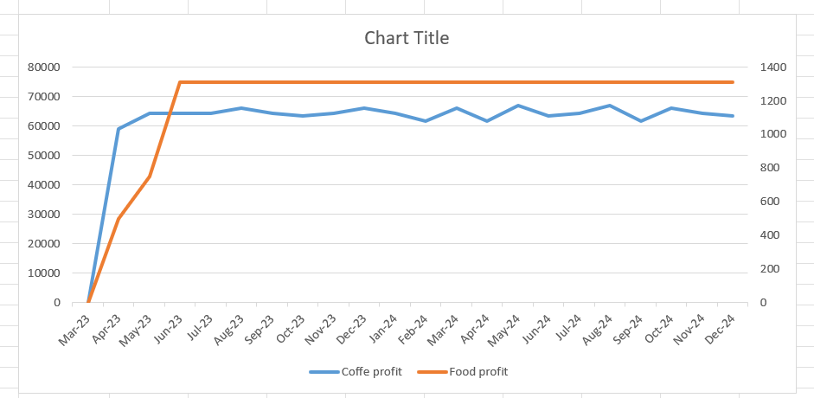

3. Total Profit
 | Date | Mar-23 | Apr-23 | May-23 | Jun-23 | Jul-23 | Aug-23 | Sep-23 | Oct-23 | Nov-23 | Dec-23 | Jan-24 | Feb-24 | Mar-24 | Apr-24 | May-24 | Jun-24 | Jul-24 | Aug-24 | Sep-24 | Oct-24 | Nov-24 | Dec-24
 | Profit | (151,224.88) | 15,359.05 | 21,612.64 | 23,378.87 | 23,044.18 | 25,015.18 | 23,044.18 | 22,655.75 | 23,378.87 | 24,490.42 | 23,568.94 | 21,019.43 | 24,490.42 | 21,209.50 | 25,738.31 | 22,130.98 | 23,568.94 | 25,403.62 | 21,019.43 | 25,015.18 | 23,044.18 | 22,655.75

